
 |  |  |  | CODE: | PF03027BC-2 ac SN from 00E200
DESCRIPTION:
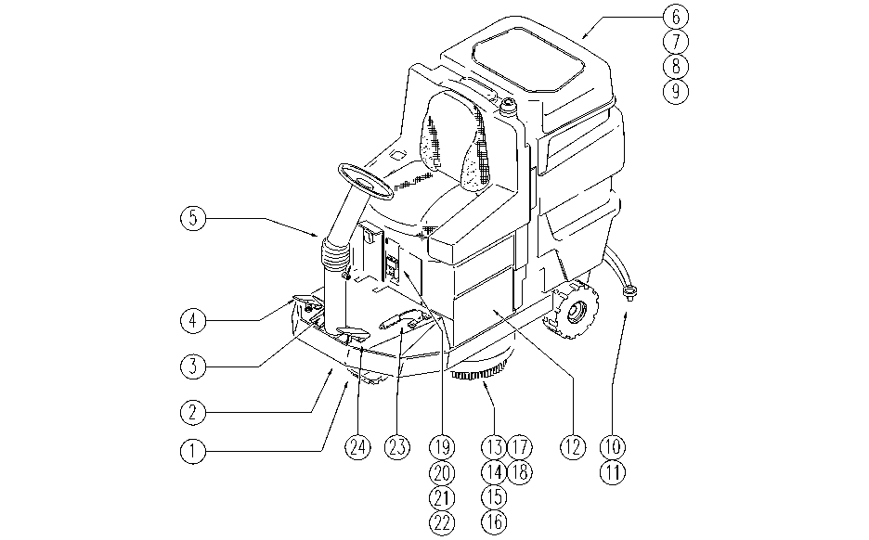

REF. | CODE | DESCRIPTION | QT
1 | PL1045 | WHEEL
2 | PL1050 | CHASSIS
3 | PL1052 | PEDAL BRAKE
4 | PL1051 | DRIVE
5 | PL1044 | STEERING COLUMN
6 | PL1040 | TANK: SUCTION
7 | PL1041 | TANK-ACCESSORIES
8 | PL1039 | HYDRAULIC UNIT
9 | PL1334 | HYDRAULIC UNIT
10 | PL1070 | SQUEEGEE 95
11 | PL1069 | SQUEEGEE LIFT
12 | PL1058 | BATTERY CASE
13 | PL1071 | HEAD 78: FLAP AND BOX
14 | PL1072 | HEAD 78:PULLEY AXLE
15 | PL1073 | HEAD 78: MOTOR
16 | PL1059 | HEAD EXIT
17 | PL1047 | REAR HEAD LIFTING
18 | PL1048 | FRONT HEAD LIFTING
19 | PL1060BC | ELECTRIC UNIT 1
20 | PL1061 | ELECTRIC UNIT 2
21 | PL1062 | ELECTRIC UNIT 3
22 | PL1063 | ELECTRIC UNIT 4
23 | PL1053 | HAND BRAKE
24 | PL1066 | SQUEEGEE PEDAL
 | PL1235 | BRUSH
 | PL1276 | EXTERNAL PARTS
 | WD27126-2 | WIRING DIAGRAM

